1. Title Page
Customer Analysis

Project Name: Instacart Customer Analysis
Date: 6/29/22
Analyst Name: Sharon Marr

Contents: | Analysis Objective: | Context:
Population Flow | To learn more about the customer | There are a variety of customers
Consistency checks | base and shopping habits of | in the Instacart database. To make our
Wrangling steps | Instacart customers to provide | marketing and sales more specific, this
Column derivations | insights into segmentation for | analysis will search for trends among
Visualizations | the marketing and sales teams. | sub-groups of customers. The sub-groups
Recommendations |  | will be based on variables that include
 |  | age, income, location, shopping behavior,
 |  | and more.

2. Population Flow
 |  | Title page

Population flow

Exclusion flag
Condition: max_order < 5
Obervations to be removed: 558813
Final total count of order_products_all: 28662555

Orders_products_combined
Orders_products_merged
Orders_products_all

Total: 32435070
Total: 32640698
Total:
 | Note: I used a randomized sample of 10% of the data
28662555 | for RAM

1.) The grey boxes in the first row of the population flow represent the original data sets as they were when you downloaded them. In the Total fields you need to add the count of the rows when you imported the data set into Jupyter.
2.) The second row of boxes (coloured) represents the data sets after you manipulated them, e.g., removed missing values and duplicates. In the Total fields you need to add the count of the rows after conducting these operations. This offers a visual oveview of how the data flows throughout the data consistency checks.
3.) The third row, where also the arrows are coloured, represents the merges you performed between the datasets. In the Total fields you need to add the count of the rows in the merged datasets, so that you end up with the final dataset (in the red box). Keep in mind the final dataset should be without exclusions (based on the exclusion flag).

3. Consistency checks
 |  |  |  | Title page
Consistency checks

Dataset | Missing values | Missing values treatment | Duplicates
orders | 206209 | Left as is since those missing values were not needed | 0
products | 16 | Left as is since those missing values were not needed. | 5
orders_products_prior | 0 | n/a | 0
customers | 11258 | This was missing first names which we scrubbed from the data set anyway. | 0

4. Wrangling steps
 |  |  |  | Title page
Wrangling steps

Columns dropped | Columns renamed | Columns' type changed | Comment/Reason
 | order dow |  | order_day_of_week for clarity
eval_set |  |  | Not needed
 |  | order_id to str | Not acting as a number
 |  | user_id to string | Not acting as a number
 | First Name to first_name |  | consistency in capitalization
 | Surnam to last_name |  | consistency in capitalization
 | STATE to state |  | consistency in capitalization
 | Age to age |  | consistency in capitalization
 | Gender to gender |  | consistency in capitalization
 | days_since_prior_order to days_since_last_order |  | added clarity
 |  | order_number | Save space
 |  | order_day_of_week | Save space
 |  | product_id | Save space
 |  | order_hour_of_day | Save space
 |  | reordered | Save space
 |  | aise_id | Save space
 |  | prices | Save space
 |  | department_id | Save space
 |  | n_dependants | Save space
 |  | age | Save space
 |  | income | Save space
 |  | average_order | Save space

5. Column derivations
 |  |  |  | Title page

Column derivations and aggregations

In this tab you should add tables below that the frequences of flags/label variables that you produced after deriving them. NB: don't do this for continuous variables, only for flags.
Dataset | New column | Column/s it was derived from | Conditions
departments | derpartment_name | department_id | String label for column id
ords_prods_combined | price_range_loc | prices | def price_label(row): if row['prices'] <= 5: return 'Low-range product' elif (row['prices'] > 5) and (row['prices'] <= 15): return 'Mid-range product' elif row['prices'] > 15: return 'High range' else: return 'Not enough data'
ords_prods_merge | max_order | order_number | df.loc[df['max_order'] > 40, 'loyalty_flag'] = 'Loyal customer' df.loc[(df['max_order'] <= 40) & (df['max_order'] > 10), 'loyalty_flag'] = 'Regular customer' df.loc[df['max_order'] <= 10, 'loyalty_flag'] = 'New customer'
ords_prods_large | age_range | age
ords_prods_large | income_bracket | income
ords_prods_lage | spender | prices | df.loc[df['average_order'] >9.99, 'spender'] = 'High Spender' df.loc[df['average_order'] <9.99, 'spender'] = 'Low Spender'
 | region | state
 | loyalty_flag |  | ords_prods_merge.loc[ords_prods_merge['max_order'] > 40, 'loyalty_flag'] = 'Loyal customer' ords_prods_merge.loc[(ords_prods_merge['max_order'] <= 40) & (ords_prods_merge['max_order'] > 10), 'loyalty_flag'] = 'Regular customer' ords_prods_merge.loc[ords_prods_merge['max_order'] <= 10, 'loyalty_flag'] = 'New customer'
 | busiest_days | order_day_of_week | for value in df_ords_prods_combined["order_day_of_week"]: if value == 0: result.append("Busiest days") elif value == 1: result.append("Busiest days") elif value == 3: result.append("Least busy days") elif value == 4: result.append("Least busy days") else: result.append("Regularly busy")
 | busiest_period_of_day | order_hour_of_day | df_ords_prods_combined.loc[(df_ords_prods_combined['order_hour_of_day'] <=16) & (df_ords_prods_combined['order_hour_of_day'] >=10),'busiest_period_of_day'] = 'Most Orders' df_ords_prods_combined.loc[(df_ords_prods_combined['order_hour_of_day'] <=23) & (df_ords_prods_combined['order_hour_of_day']>=17),'busiest_period_of_day'] = 'Average Orders' df_ords_prods_combined.loc[(df_ords_prods_combined['order_hour_of_day'] <=9) & (df_ords_prods_combined['order_hour_of_day']<=6),'busiest_period_of_day'] = 'Average Orders' df_ords_prods_combined.loc[(df_ords_prods_combined['order_hour_of_day'] <=5),'busiest_period_of_day'] = 'Fewest Orders'

6. Visualizations
Visualisations

In this tab you should include all the visualtions from Exercises 4.9 and 4.10, alongside the questions from the project brief that they answer. Include any commentary on the relationship between different variables.

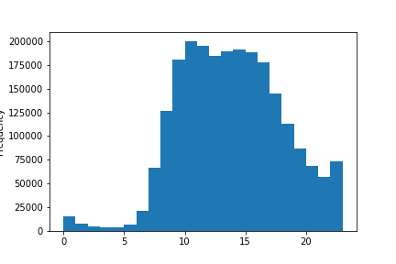
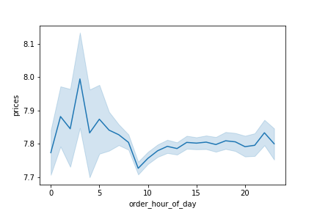

 | 1A. This chart looks at the times at which the most items are ordered. Note that this is different from total orders. |  | 2A. This line chart looks at the relationship between price of an item and the hour of the day it was purchased. The overall range is not as large as it appears at first, the low end is around 7.70 and the high end is around 8.00. However, the highest point is around 3am and the lowest point is around 9am. There are many reasons we could guess this to be the case (ie at 3am most likely 24 hour convenience stores are the place being purchased from and they are overall more expensive). But to find out for sure we'd need to look more closely at examples of what items are being purchased at those times.

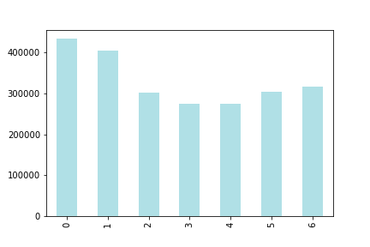
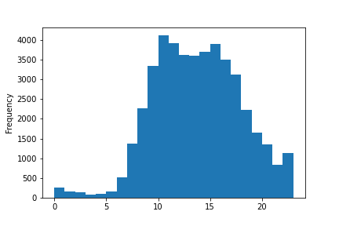

 |  |  | 2B. This visualization look at the number of items purchased by our labeled "high spending clients" vs the hour of the day. The highest quantity of items are purchased around 1am and stay relatively high until about 4pm, when it begins to decline. The overall pattern is very similar to the total population.
 | 1B. This chart looks at the total number of items ordered by day of the week. From here, we get a very different result, from which we can conclude that, on the weekends, fewer orders are placed but more items are in each order.

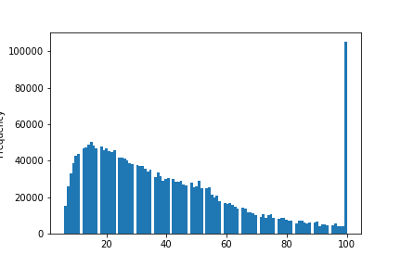

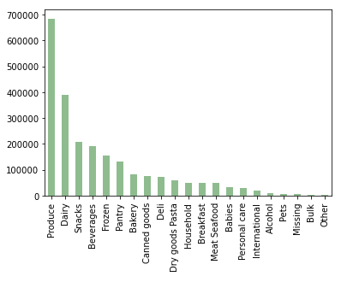
 |  |  | 5A. This visualization lookas at the number of maximum orders in our customer base. Oddly enough, the distribution remains relatively even and then get very high around 100. However, there are no order quantities higher than 100. The concerning fact is that there are over 100,000 instances of this, which is a significant portion of the data analyzed and means it is unlikely that is is just a typo. Outside of this strange phenomenon, we se that the max_order in our client base peaks around 10-15 orders.
 | 4A. The most popular department, by far, is the produce department, with close to 700,000 items purchased coming from that department. Also very high is dairy with nearly 400,000 items. This is then followed by snacks, beverages, and frozen items.

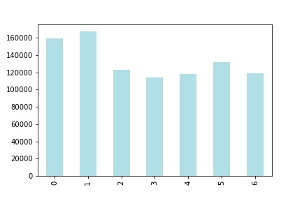

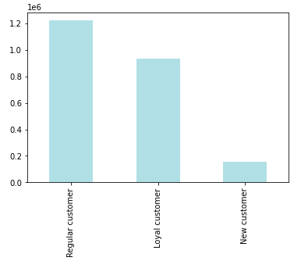
 | 5AA. This visualization shows the distribution of customer profiles by loyalty. The majority of our the customers in our analysis are "Regular", many are "Loyal" and a small portion are "New". Note that this data set has excluded all customers with <5 orders so that is why the "New" segment is small. |  | 5B. The distribution for items purchased by days of the week for loyal customers is similar to the general population overall, with some subtle differences. The overall distribution is a little more even and Sunday is the most popular day over Saturday.

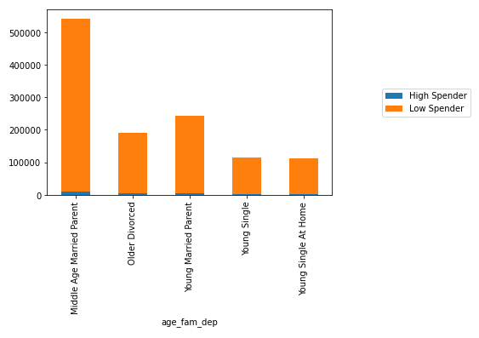
 |  |  |  | 5F. This bar chart demonstrates the ratio of high to low spenders across our unique customer profiles. The customer profiles are a combination of age, family status, and number of dependants. The ratios overall are very similar.

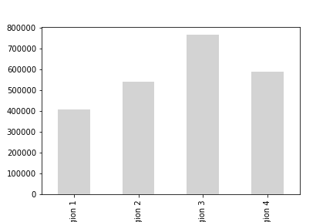

 | 5C. From this chart, one can see that Region 3 has the highest number of items purchased followed by region 4, 2, and finally 1.

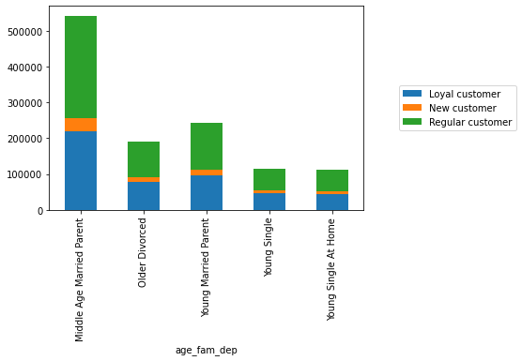

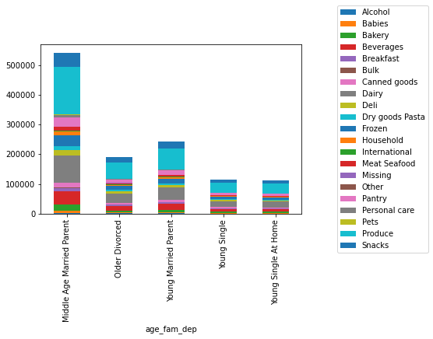
 |  | 5FF. In this chart, one can see the ratios of loyal, new, and regular customers across our generated profiles. The profiles are a combination of age, family status, and number of dependants. There is no significant different in each profile in the ratio of new, loyal, and regular customer status.
 |  |  |  | 5FFF. The overall spread of items from each department is similar across the generated profiles. If there was an individual area or group one wanted to target, they could get a more precise analysis, but at a glance the overall behaviors and largest departments are consistent across the board.

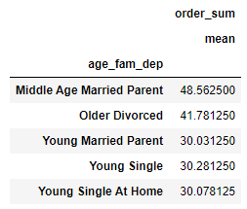

5FFFF. This was one of the most interesting insights from the whole analysis. The total cost of an order for a middle aged married parent was significantly higher than that of our other groups (over 60% higher than our young age groups.) This group, while still following the same split for loyalty, high spending, and average prices, is spending more per order and is a more profitable demographic.

7. Recommendations
 |  | Title page

Recommendations

Question | Recommendation
1. The sales team needs to know what the busiest days of the week and hours of the day are (i.e., the days and times with the most orders) in order to schedule ads at times when there are fewer orders. | In charts 1A and 1B on the visualization tab, the quantities of items ordered by the hour of day and day of week are analyzed. According to these charts, the busiest days are the weekends, and the busiest times of the day are 10am-4pm. However, for further analysis, it would be helpful to find out if this pattern is similar in the total quantity of orders (ie are are there fewer, higher item orders on the weekend vs a higher quantity of orders with fewer items during the week.) Depending on which is higher value for Instacart, one may be optimal to promote. In terms of recommendations, promoting daytime off-peak hours (such as 7am-9am or 5pm-8pm) may be opportune. While our slowest periods are 12am-5am, this may not be an ideal time to promote based on what stores are open and the availability of drivers.
2. They also want to know whether there are particular times of the day when people spend the most money, as this might inform the type of products they advertise at these times. | To the right you'll see figure 2b which shows the relationship between price and time of day. Interestingly enough, the time when the highest priced items were purchased was 3am and lowest priced items was around 9am. However, we are still looking at a maximum .30 cent range, which may or may not be significant. Still, it does appear on average people are more willing to buy expensive items in the early morning and less so during the day. In visualization 2b, you'll also see an analysis of when our labeled "high spending clients" tend to purchase items by hour of the day. Their behavior mimics that of the general population. Given more time, it would be helpful to create a flag based on the total cost of orders and see if there is a time the "small", "medium", or "large" orders are purchased.
3. Instacart has a lot of products with different price tags. Marketing and sales want to use simpler price range groupings to help direct their efforts. | There has been created three price ranges (low, mid, and high) Less than $5 is low, $5-$15 is mid, and $15+ is high.
4. Are there certain types of products that are more popular than others? The marketing and sales teams want to know which departments have the highest frequency of product orders. | 4A. The most popular department, by far, is the produce department, with close to 700,000 items purchased coming from that department. Also very high is dairy with nearly 400,000 items. This is then followed by snacks, beverages, and frozen items. For a complete ranking of departments, see visualization 4A.
5. The marketing and sales teams are particularly interested in the different types of customers in their system and how their ordering behaviors differ. For example: | Our max_orders for users peak around 10-15 and very gradually decline. However, there is a very strange phenomenon where we have an extremely high number of "max_orders" right around a hundred. This leads me to believe that there is an issue with our data. See image 5A.
A.What’s the distribution among users in regards to their brand loyalty (i.e., how often do they return to Instacart)? | About 52% of our customers are regulars, 8% are new customers, and 40% are loyal customers. This is a variable derived from the quantity of total orders, defined in tab 5. See visualization 5AA.
B.Are there differences in ordering habits based on a customer’s loyalty status? | Ordering habbits in different loyalty categories are similar in terms of time of day ordered, average price of item purchased, and distribution of high vs low spenders. The distribution of orders by day of week is similar with some subtle differences seen in visualization 5B. Overall, the purchasing behaviors if all three loyalty statuses is very similar.
C. Are there differences in ordering habits based on a customer’s region? | There were no significant difference in the ordering habits of customers based on high vs. low spenders and loyalty status. In visualization 5C there is a distribution of customers across regions, since there is some variety there. If there were more time or one wanted to target regions based a specific variable, one could do a more detailed analysis (ie look at departments purchased from, time of day, day of week etc.) Also note all of the data showing there is no difference was done in crosstabs since the visualization did not clearly demonstrate the results.
D. Is there a connection between age and family status in terms of ordering habits? | In the division of age groups and family status, the breakdowns were similar across all subgroups of high vs low spenders and loyalty status. Again this analysis was done in crosstabs since it is hard to ascertain significant differences from the visuals created. Given more time or a more specific variable in question, one could derive a more precise analysis.
E. What different classifications does the demographic information suggest? Age? Income? Certain types of goods? Family status? | From the data, one could create hundreds of different profiles from the different variable accessible. For example, one could create a profile that includes a low income, single, new parent, using age, income, family status, n_dependants, and items purchased. For the sake of time constraints and simplicity, the demographics in this analysis have been devided into five major subgroups: Middle-age married parent, Older Divorced Adult, Young Married Parent, Young Single Independent Adult, Young Single Adult at home.
F. What differences can you find in ordering habits of different customer profiles? Consider the price of orders, the frequency of orders, the products customers are ordering, and anything else you can think of. | Overall the breakdown in profiles was very similar in terms of loyalty status, frequency of orders, depatments shopped in, max orders, days between orders and in high/low spender ratios. The biggest difference we found was middle aged parents had a significantly higher average order cost.

